Sheet1
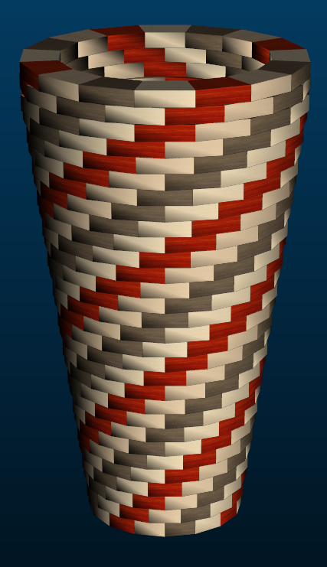
Small Ashiko: 480 Pieces |  |  |  | Segments per Ring: 16 |  |  |  | Ring Thickness: 0.625 |  |  |  | Angle: 11.25°
 | Board |  | Segment | Diameter |  |  |  |  | Species |  |  |  | Dimensions: 19.375" Tall x 10.7" Diameter Head
Row | Width | Length | S.E.L. | Outer | Maple | Lgth | Blood | Lgth | Holly | Lgth | Walnut | Lgth
1 | 1.2 | 12.8 | 1.209 | 6.1" | 4 | 3.1 | 4 | 3.1 | 4 | 3.1 | 4 | 3.1
2 | 1.2 | 13.5 | 1.245 | 6.3" | 4 | 3.3 | 4 | 3.3 | 4 | 3.3 | 4 | 3.3
3 | 1.2 | 14.2 | 1.277 | 6.4" | 4 | 3.5 | 4 | 3.5 | 4 | 3.5 | 4 | 3.5
4 | 1.2 | 15 | 1.313 | 6.6" | 4 | 3.6 | 4 | 3.6 | 4 | 3.6 | 4 | 3.6
5 | 1.2 | 15.7 | 1.345 | 6.8" | 4 | 3.8 | 4 | 3.8 | 4 | 3.8 | 4 | 3.8
6 | 1.2 | 16.4 | 1.38 | 6.9" | 4 | 4 | 4 | 4 | 4 | 4 | 4 | 4
7 | 1.2 | 17.1 | 1.412 | 7.1" | 4 | 4.2 | 4 | 4.2 | 4 | 4.2 | 4 | 4.2
8 | 1.2 | 17.8 | 1.448 | 7.3" | 4 | 4.4 | 4 | 4.4 | 4 | 4.4 | 4 | 4.4
9 | 1.2 | 18.6 | 1.48 | 7.4" | 4 | 4.5 | 4 | 4.5 | 4 | 4.5 | 4 | 4.5
10 | 1.2 | 19.3 | 1.516 | 7.6" | 4 | 4.7 | 4 | 4.7 | 4 | 4.7 | 4 | 4.7
11 | 1.2 | 20 | 1.548 | 7.8" | 4 | 4.9 | 4 | 4.9 | 4 | 4.9 | 4 | 4.9
12 | 1.2 | 20.7 | 1.583 | 8" | 4 | 5.1 | 4 | 5.1 | 4 | 5.1 | 4 | 5.1
13 | 1.2 | 21.4 | 1.615 | 8.1" | 4 | 5.3 | 4 | 5.3 | 4 | 5.3 | 4 | 5.3
14 | 1.2 | 22.2 | 1.651 | 8.3" | 4 | 5.4 | 4 | 5.4 | 4 | 5.4 | 4 | 5.4
15 | 1.2 | 22.9 | 1.683 | 8.5" | 4 | 5.6 | 4 | 5.6 | 4 | 5.6 | 4 | 5.6
16 | 1.2 | 23.6 | 1.719 | 8.6" | 4 | 5.8 | 4 | 5.8 | 4 | 5.8 | 4 | 5.8
17 | 1.2 | 24.3 | 1.75 | 8.8" | 4 | 6 | 4 | 6 | 4 | 6 | 4 | 6
18 | 1.2 | 25 | 1.786 | 9" | 4 | 6.2 | 4 | 6.2 | 4 | 6.2 | 4 | 6.2
19 | 1.2 | 25.8 | 1.818 | 9.1" | 4 | 6.3 | 4 | 6.3 | 4 | 6.3 | 4 | 6.3
20 | 1.2 | 26.5 | 1.854 | 9.3" | 4 | 6.5 | 4 | 6.5 | 4 | 6.5 | 4 | 6.5
21 | 1.2 | 27.2 | 1.886 | 9.5" | 4 | 6.7 | 4 | 6.7 | 4 | 6.7 | 4 | 6.7
22 | 1.2 | 27.9 | 1.921 | 9.7" | 4 | 6.9 | 4 | 6.9 | 4 | 6.9 | 4 | 6.9
23 | 1.2 | 28.6 | 1.953 | 9.8" | 4 | 7.1 | 4 | 7.1 | 4 | 7.1 | 4 | 7.1
24 | 1.2 | 29.3 | 1.985 | 10" | 4 | 7.2 | 4 | 7.2 | 4 | 7.2 | 4 | 7.2
25 | 1.2 | 30.1 | 2.021 | 10.2" | 4 | 7.4 | 4 | 7.4 | 4 | 7.4 | 4 | 7.4
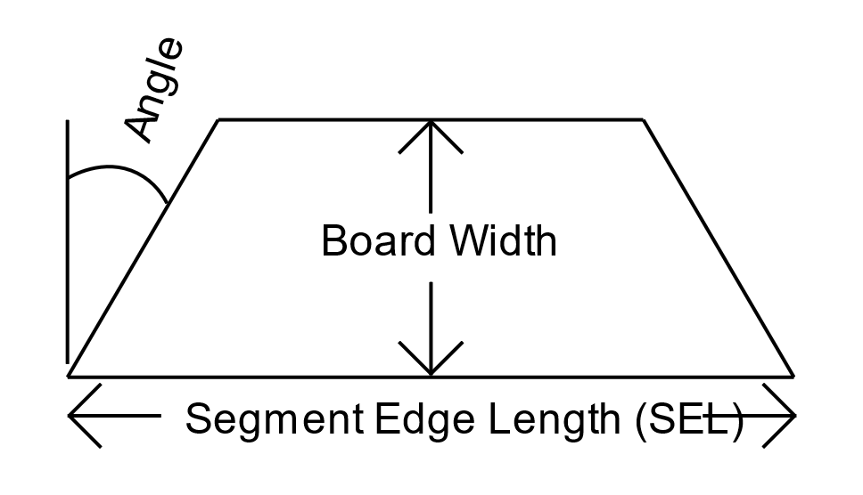
26 | 1.2 | 30.8 | 2.053 | 10.3" | 4 | 7.6 | 4 | 7.6 | 4 | 7.6 | 4 | 7.6
27 | 1.2 | 31.5 | 2.089 | 10.5" | 4 | 7.8 | 4 | 7.8 | 4 | 7.8 | 4 | 7.8
28 | 1.2 | 32.2 | 2.124 | 10.7" | 4 | 8 | 4 | 8 | 4 | 8 | 4 | 8
29 | 1.2 | 32 | 2.124 | 10.7" | 4 | 7.9 | 4 | 7.9 | 4 | 7.9 | 4 | 7.9
30 | 1.2 | 31.4 | 2.124 | 10.7" | 4 | 7.8 | 4 | 7.8 | 4 | 7.8 | 4 | 7.8
 |  | Segments of Maple | 120 |  |  |  | Bd Ft of Maple | 0
 |  | Segments of Blood | 120 |  |  |  | Bd Ft of Blood | 0
 |  | Segments of Holly | 120 |  |  |  | Bd Ft of Holly | 0
 |  | Segments of Walnut | 120 |  |  |  | Bd Ft of Walnut | 0
 |  | Total # of Pieces: | 16*30 = | 480 |  |  | Total Board Feet | 0

